Sheet1
2008 Toyota Rav4 Sport 2.4
DRIVE AXLES, BEARINGS AND JOINTS COMPONENTS/DRIVE AXLE SHAFT ASSEMBLY
Your Vehicle: 2008 Toyota Truck RAV4 2WD L4-2.4L (2AZ-FE)
 | Vehicle » Transmission and Drivetrain » Drive Axles, Bearings and Joints » Axle Shaft Assembly » Service and Repair » Disassembly

 | Disassembly

DRIVE SHAFT: FRONT DRIVE SHAFT ASSEMBLY (for 2WD): DISASSEMBLY

DISASSEMBLY

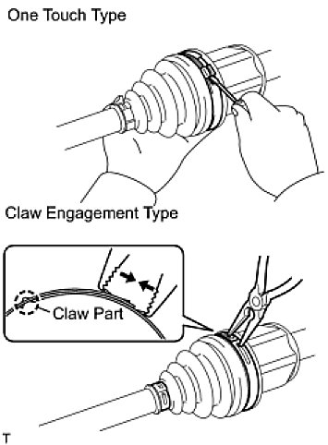

1. REMOVE FRONT AXLE INBOARD JOINT BOOT NO. 2 CLAMP

(a) | One touch type:

Using a screwdriver, remove the inboard joint boot clamp, as shown in the illustration.

(b) | Claw engagement type:

Using needle-nose pliers, remove the inboard joint boot clamp, as shown in the illustration.

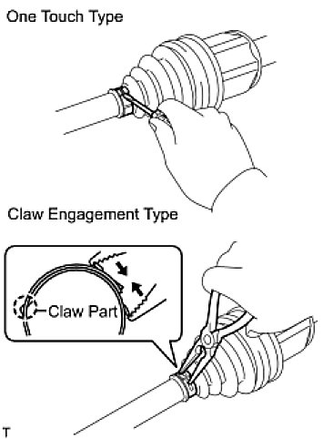

2. REMOVE FRONT AXLE INBOARD JOINT BOOT CLAMP

(a) | One touch type:

Using a screwdriver, remove the inboard joint boot clamp, as shown in the illustration.

(b) | Claw engagement type:

Using needle-nose pliers, remove the inboard joint boot clamp, as shown in the illustration.

3. REMOVE FRONT AXLE INBOARD JOINT BOOT

(a) | Remove the boot from the inboard joint.

4. REMOVE FRONT DRIVE INBOARD JOINT ASSEMBLY LH

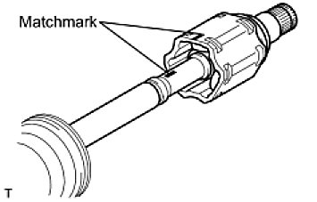

(a) | Remove any old grease from the inboard joint.
(b) | Put matchmarks on the inboard joint and outboard joint shaft.
 | NOTE: Do not punch the marks.
(c) | Remove the inboard joint from the outboard joint shaft.
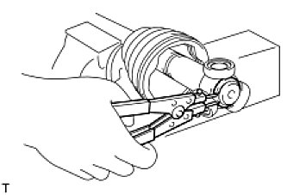

(d) | Using a snap ring expander, remove the shaft snap ring.
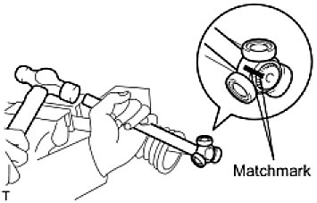

(e) | Put matchmarks on the outboard joint shaft and tripod joint.
 | NOTE: Do not punch the marks.
(f) | Using a brass bar and hammer, tap out the tripod joint from the outboard joint shaft.
 | NOTE: Do not tap the rollers.
(g) | Remove the inboard joint boot.

5. REMOVE FRONT DRIVE INBOARD JOINT ASSEMBLY RH HINT: Use the same procedures described for the LH side.

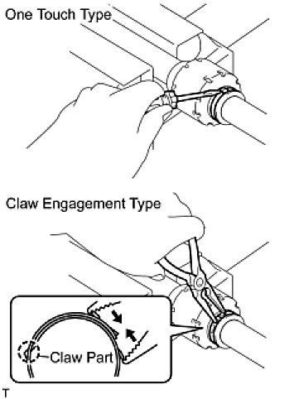

6. REMOVE FRONT DRIVE SHAFT DAMPER CLAMP LH

(a) | One touch type:

Using a screwdriver, remove the drive shaft damper clamp, as shown in the illustration.

(b) | Claw engagement type:

Using needle-nose pliers, remove the drive shaft damper clamp, as shown in the illustration.

7. REMOVE FRONT DRIVE SHAFT DAMPER LH

(a) | Remove the front drive shaft damper from the outboard joint shaft.
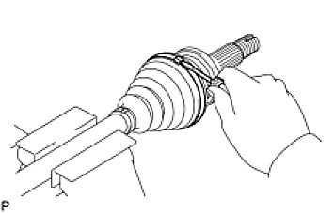

8. REMOVE FRONT AXLE OUTBOARD JOINT BOOT NO. 2 CLAMP

(a) | Using a screwdriver, remove the outboard joint boot clamp, as shown in the illustration.
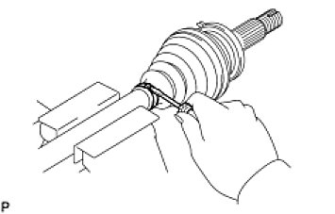

9. REMOVE FRONT AXLE OUTBOARD JOINT BOOT CLAMP

(a) | Using a screwdriver, remove the outboard joint boot clamp, as shown in the illustration.

10. REMOVE FRONT AXLE OUTBOARD JOINT BOOT

(a) | Remove the outboard joint boot from the outboard joint shaft.
(b) | Remove any old grease from the outboard joint.
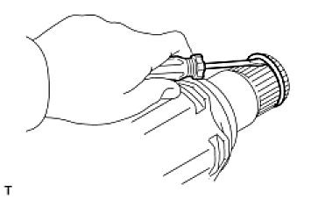

11. REMOVE FRONT DRIVE SHAFT HOLE SNAP RING LH

(a) | Using a screwdriver, remove the hole snap ring.
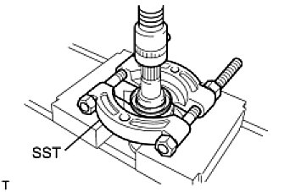

12. REMOVE FRONT DRIVE SHAFT DUST COVER LH

(a) | Using SST and a press, press out the shaft dust cover.
SST: 09950-00020
NOTE: Be careful not to drop the inboard joint.

13. REMOVE FRONT DRIVE SHAFT DUST COVER RH HINT: Use the same procedures described for the LH side.
14. REMOVE DRIVE SHAFT BEARING CASE (for RH)

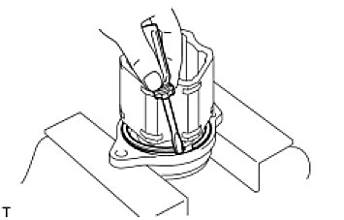

(a) | Using a screwdriver, remove the bearing case snap ring.
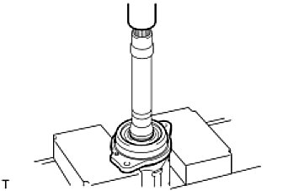

(b) | Using a press, press out the drive shaft bearing case.
 | HINT: Be careful not to drop the inboard joint.

15. REMOVE FRONT DRIVE SHAFT DUST COVER (for RH)

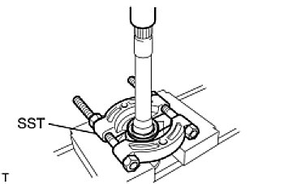

(a) | Using SST and a press, press out the drive shaft dust cover.
SST: 09950-00020
NOTE: Be careful not to drop the inboard joint.

16. REMOVE FRONT DRIVE SHAFT BEARING

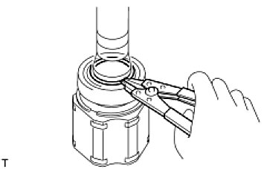

(a) | Using a snap ring expander, remove the snap ring.
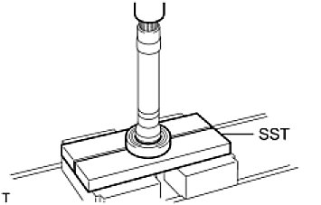

(b) | Using SST and a press, press out the drive shaft bearing.
SST: 09527-10011
(c) | Remove the bearing case snap ring.

